Cover and Intro
Commissioned by: | UN Environment, CTCN, Adaptation Fund
Project Title | Solar based irrigation business mode ‘pay as you irrigate’ for women empowerment, water management and food security in Mozambique
Proposed by | Universidade Pedagógica de Moçambique
Implemented by | Practica &HUB
Country | Mozambique
Deliverable | 4.2 Cost estimation of the prioritized technologies
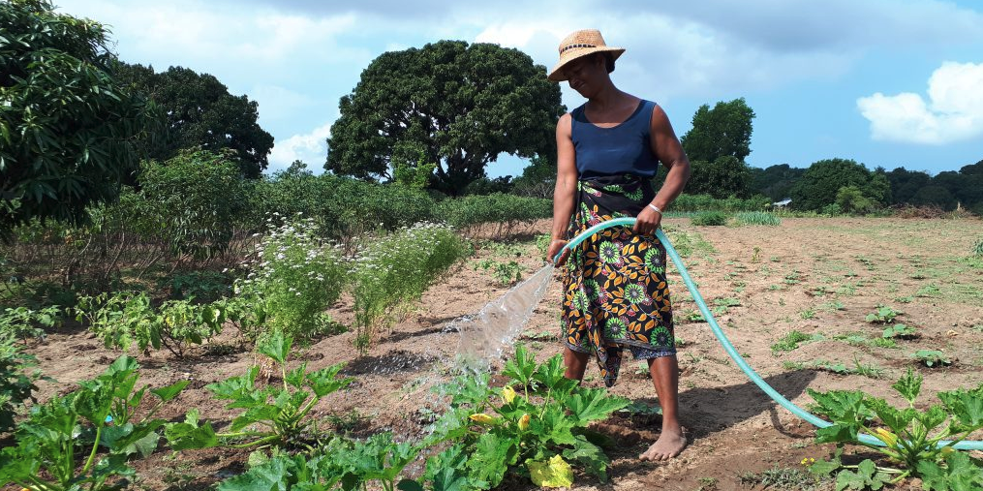

Solar based irrigation business model 'pay as you irrigate' for women empowerment, water management, and food security in Mozambique
Cost estimation of the prioritized technologies



Introduction: This deliverable is part of the project Implementation of Solar based irrigation business mode ‘pay as you irrigate’ for women empowerment, water management and food security in Mozambique. Implemented by the consortium PRACTICA and HUB. The overall objective of the project is to identify the best powered irrigation system (SPIS) for the Pangalata association in Moamba that could be deployed using groundwater. The system will be reinforced by the definition of a clear pay as you irrigate business model customized for the lowest-income farmers. This Excel provides an overview of the cost estimation of all components required to operate the solar powered irrigation system designed and approved for the Pangalata association.

Financial Scenario
 |  |  |  | 1 USD= | 63.50902 | USD part; https://commission.europa.eu/funding-tenders/procedures-guidelines-tenders/information-contractors-and-beneficiaries/exchange-rate-inforeuro_es
Association Pangalata (Current Situation) |  |  |  |  |  |  | Association Pangalata (SPIS installation )
Crop | Potato | Assumptions: The association only produces irrigated crops during one season, due to the high costs associated to the production: seeds, fertilizers, but also irrigation (mainly diesel). With the current pump they can only irrigate 2.5 ha. |  |  |  |  | Crop | Potato | Assumptions: As the petrol costs will be zero, the association will have 2 irrigated cycles. With the new system, they will be able to increase the irrigated area up to 5 ha. Excludes the borehole civil construction and IoT depreciation costs.
Area | 2.5 ha |  |  |  |  |  | Area | 5 ha
Period | 3 months (One irrigated cycle) |  |  |  |  |  | Period | 6 months (2 irrigated cycles)
Number of members | 25 |  |  |  |  |  | Number of members | 25
Type of pump | Current Diesel Pump |  |  |  |  |  | Type of pump | Solar Pump
 | Unit | Unit cost | Amount | total MZN | € |  |  | Unit | Unit cost | Amount | total MZN | €
 |  |  |  |  | (1 USD =63.51 MZN) |  |  |  |  |  |  | (1 USD =63.51 MZN)
(A) Irrigation cost |  |  |  |  |  |  | (A) Irrigation cost
Diesel | liter | 85.34 | 540 | 46083.6 | 725.6 |  | Diesel | liter | 85.34 | 0 | 0 | 0
Lubricant | liter | 300 | 3 | 900 | 14.2 |  | Lubricant | liter | 300 | 0 | 0 | 0
Diesel pump--> Solar Pump
Maintenance | Year | 2000 | 0.25 | 500 | 7.9 |  | Maintenance | Year | 2000 | 1 | 2000 | 31
 |  |  | SUBTOTAL | 47483.6 | 747.7 |  |  |  |  | SUBTOTAL | 2000.0 | 31
(B) Production cost |  |  |  |  |  |  | (B) Production cost
Seed | kg | 68 | 4000 | 272000 | 4282.9 |  | Seed | kg | 68 | 16000 | 1088000 | 17131
Transport seed + fertilizer | lump sum | 8000 | 1 | 8000 | 126.0 |  | Transport seed + fertilizer | lump sum | 8000 | 4 | 32000 | 504
Fertilizer | 50 kg | 4000 | 7 | 28000 | 440.9 |  | Fertilizer | 50 kg | 4000 | 28 | 112000 | 1764
Pesticides | lump sum | 118000 | 1 | 118000 | 1858.0 |  | Pesticides | lump sum | 118000 | 4 | 472000 | 7432
Labour seeding | mday | 250 | 80 | 20000 | 314.9 |  | Labour seeding | mday | 250 | 320 | 80000 | 1260
Labour harvest | mday | 250 | 160 | 40000 | 629.8 |  | Labour harvest | mday | 250 | 640 | 160000 | 2519
Transport to Maputo | return | 11000 | 2 | 22000 | 346.4 |  | Transport to Maputo | return | 11000 | 8 | 88000 | 1386
Market fee | sales | 100 | 2 | 200 | 3.1 |  | Market fee | sales | 100 | 8 | 800 | 13
 |  |  | SUBTOTAL | 508200.0 | 8002.0 |  |  |  |  | SUBTOTAL | 2032800 | 32008
(A+B) Total Production costs |  |  |  | 555683.6 | 8749.7 |  | (A+B) Total Production costs |  |  |  | 2034800 | 32040
(C) Income from sales |  |  |  |  |  |  | (C) Income from sales
Revenue (50 MZN/kg) | kg | 50 | 20000 | 1000000 | 15745.8 |  | Revenue (50 MZN/kg) | kg | 50 | 80000 | 4000000 | 62983
D=(C-(A+B)) Gross profit |  |  |  | 444316.4 | 6996.1 |  | D=(C-(A+B)) Gross profit |  |  |  | 1965200 | 30944
(E) Depreciation |  |  |  |  |  |  | (E) Depreciation
Depreciation pump | 5 year | 43000 |  | 8600 | 135.4 |  | Depreciation pump | 5 years | 1168579 |  | 116858 | 1840
Depreciation irrigation system | 5 year | 100000 |  | 5000 | 78.7 |  | Depreciation irrigation system | 5 years | 837792 |  | 83779 | 1319
SUBTOTAL |  |  |  | 13600 | 214.1 |  | SUBTOTAL |  |  |  | 200637 | 3159
(D-E) Nett profit |  |  |  | 430716.4 | 6782.0 |  | (D-E) Nett profit |  |  |  | 1764563 | 27784
Nett profit per ha | 2.5 |  |  | 172286.6 | 2712.8 |  | Nett profit per ha | 5 |  |  | 352912.6 | 5556.9

