Cover
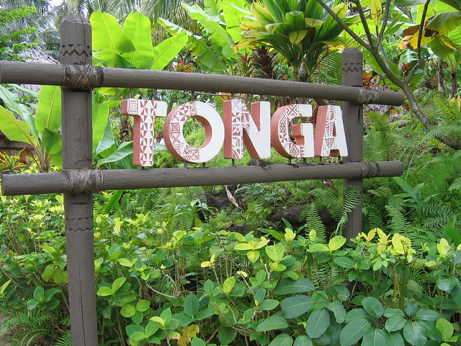
Model developed by:
Ken Davey, Sanita Naiovi & Moses Chandra (Excel Master and lecturer: University of the South Pacific)
with the assistance of BSW Energy Malaysia and Carsten Linnenberg, AD Solutions, Germany
3MWe + Biomethane biogas
project based initially on
Hybrid Tropical Grass

Baseline calcs
Fresh Matter tonnes/ha/yr | Percentage Dry Matter | Dry Matter tonnes/ha/yr | Volatile Solids % | Volatile Solids tonnes/ha/yr | % allowance for harvesting & silage loses | Harvesting & silage loses in tonnes/ha | Volatile Solids after loses tonnes/ha/yr | CH4 yield/tonne volatile solids in m3 | CH4 yield/ha/yr in m3 | Energy as CH4 in kWh/ha/yr | Crop related OPEX in $/ha/yr | Cost of substrates production in cents/kWh | CO2 Yields in kg/ha
450 | 23% | 103.50 | 88% | 91.080 | 5% | 4.554 | 86.526 | 290.0 | 25,092.540 | 250,925.400 | $1,200.00 | 0.478 | 35,638.98
300 | 23% | 69.00 | 88% | 60.720 | 5% | 3.036 | 57.684 | 290.0 | 16,728.360 | 167,283.600 | $1,200.00 | 0.717 | 23,759.32
310 | 23% | 71.30 | 88% | 62.744 | 5% | 3.137 | 59.607 | 290.0 | 17,285.972 | 172,859.720 | $1,200.00 | 0.694 | 24,551.30
320 | 23% | 73.60 | 88% | 64.768 | 5% | 3.238 | 61.530 | 290.0 | 17,843.584 | 178,435.840 | $1,200.00 | 0.673 | 25,343.28
330 | 23% | 75.90 | 88% | 66.792 | 5% | 3.340 | 63.452 | 290.0 | 18,401.196 | 184,011.960 | $1,200.00 | 0.652 | 26,135.25
340 | 23% | 78.20 | 88% | 68.816 | 5% | 3.441 | 65.375 | 290.0 | 18,958.808 | 189,588.080 | $1,200.00 | 0.633 | 26,927.23
350 | 23% | 80.50 | 88% | 70.840 | 5% | 3.542 | 67.298 | 290.0 | 19,516.420 | 195,164.200 | $1,200.00 | 0.615 | 27,719.21
360 | 23% | 82.80 | 88% | 72.864 | 5% | 3.643 | 69.221 | 290.0 | 20,074.032 | 200,740.320 | $1,200.00 | 0.598 | 28,511.19
370 | 23% | 85.10 | 88% | 74.888 | 5% | 3.744 | 71.144 | 290.0 | 20,631.644 | 206,316.440 | $1,200.00 | 0.582 | 29,303.16
380 | 23% | 87.40 | 88% | 76.912 | 5% | 3.846 | 73.066 | 290.0 | 21,189.256 | 211,892.560 | $1,200.00 | 0.566 | 30,095.14
390 | 23% | 89.70 | 88% | 78.936 | 5% | 3.947 | 74.989 | 290.0 | 21,746.868 | 217,468.680 | $1,200.00 | 0.552 | 30,887.12
400 | 23% | 92.00 | 88% | 80.960 | 5% | 4.048 | 76.912 | 290.0 | 22,304.480 | 223,044.800 | $1,200.00 | 0.538 | 31,679.10
410 | 23% | 94.30 | 88% | 82.984 | 5% | 4.149 | 78.835 | 290.0 | 22,862.092 | 228,620.920 | $1,200.00 | 0.525 | 32,471.07
420 | 23% | 96.60 | 88% | 85.008 | 5% | 4.250 | 80.758 | 290.0 | 23,419.704 | 234,197.040 | $1,200.00 | 0.512 | 33,263.05
430 | 23% | 98.90 | 88% | 87.032 | 5% | 4.352 | 82.680 | 290.0 | 23,977.316 | 239,773.160 | $1,200.00 | 0.500 | 34,055.03
440 | 23% | 101.20 | 88% | 89.056 | 5% | 4.453 | 84.603 | 290.0 | 24,534.928 | 245,349.280 | $1,200.00 | 0.489 | 34,847.00
450 | 23% | 103.50 | 88% | 91.080 | 5% | 4.554 | 86.526 | 290.0 | 25,092.540 | 250,925.400 | $1,200.00 | 0.478 | 35,638.98
460 | 23% | 105.80 | 88% | 93.104 | 5% | 4.655 | 88.449 | 290.0 | 25,650.152 | 256,501.520 | $1,200.00 | 0.468 | 36,430.96
470 | 23% | 108.10 | 88% | 95.128 | 5% | 4.756 | 90.372 | 290.0 | 26,207.764 | 262,077.640 | $1,200.00 | 0.458 | 37,222.94
480 | 23% | 110.40 | 88% | 97.152 | 5% | 4.858 | 92.294 | 290.0 | 26,765.376 | 267,653.760 | $1,200.00 | 0.448 | 38,014.91
490 | 23% | 112.70 | 88% | 99.176 | 5% | 4.959 | 94.217 | 290.0 | 27,322.988 | 273,229.880 | $1,200.00 | 0.439 | 38,806.89
500 | 23% | 115.00 | 88% | 101.200 | 5% | 5.060 | 96.140 | 290.0 | 27,880.600 | 278,806.000 | $1,200.00 | 0.430 | 39,598.87
510 | 23% | 117.30 | 88% | 103.224 | 5% | 5.161 | 98.063 | 290.0 | 28,438.212 | 284,382.120 | $1,200.00 | 0.422 | 40,390.85
520 | 23% | 119.60 | 88% | 105.248 | 5% | 5.262 | 99.986 | 290.0 | 28,995.824 | 289,958.240 | $1,200.00 | 0.414 | 41,182.82
530 | 23% | 121.90 | 88% | 107.272 | 5% | 5.364 | 101.908 | 290.0 | 29,553.436 | 295,534.360 | $1,200.00 | 0.406 | 41,974.80
540 | 23% | 124.20 | 88% | 109.296 | 5% | 5.465 | 103.831 | 290.0 | 30,111.048 | 301,110.480 | $1,200.00 | 0.399 | 42,766.78
550 | 23% | 126.50 | 88% | 111.320 | 5% | 5.566 | 105.754 | 290.0 | 30,668.660 | 306,686.600 | $1,200.00 | 0.391 | 43,558.76
560 | 23% | 128.80 | 88% | 113.344 | 5% | 5.667 | 107.677 | 290.0 | 31,226.272 | 312,262.720 | $1,200.00 | 0.384 | 44,350.73
570 | 23% | 131.10 | 88% | 115.368 | 5% | 5.768 | 109.600 | 290.0 | 31,783.884 | 317,838.840 | $1,200.00 | 0.378 | 45,142.71
580 | 23% | 133.40 | 88% | 117.392 | 5% | 5.870 | 111.522 | 290.0 | 32,341.496 | 323,414.960 | $1,200.00 | 0.371 | 45,934.69
590 | 23% | 135.70 | 88% | 119.416 | 5% | 5.971 | 113.445 | 290.0 | 32,899.108 | 328,991.080 | $1,200.00 | 0.365 | 46,726.67
600 | 23% | 138.00 | 88% | 121.440 | 5% | 6.072 | 115.368 | 290.0 | 33,456.720 | 334,567.200 | $1,200.00 | 0.359 | 47,518.64
610 | 23% | 140.30 | 88% | 123.464 | 5% | 6.173 | 117.291 | 290.0 | 34,014.332 | 340,143.320 | $1,200.00 | 0.353 | 48,310.62
620 | 23% | 142.60 | 88% | 125.488 | 5% | 6.274 | 119.214 | 290.0 | 34,571.944 | 345,719.440 | $1,200.00 | 0.347 | 49,102.60

Fresh Matter tonnes/ha/yr | Amount paid/tonne of substrates | Gross income/ha/yr | Percentage Dry Matter | Dry Matter tonnes/ha/yr | Cost of substrates on dry matter basis | Volatile Solids % | Volatile Solids tonnes/ha/yr | Cost of substrates on a volatile solids basis | Harvesting & Silage Loses in tonnes/ha | Volatile Solids after loses tonnes/ha/yr | Cost of volatile solids/tonne after loses | CH4 yield/tonne volatile solids in m3 | CH4 yield/ha/yr in m3 | Cost of substrates expressed in cents/m3 of CH4 | Energy as CH4 in kWh/ha/yr | Cost of substrates expressed in cents/kWh of CH4 | CO2 Yields in kg/ha
450 | $10.00 | $4,500.00 | 23% | 103.50 | $43.48 | 88% | 91.08 | $49.41 | 4.554 | 86.526 | $52.01 | 290.0 | 25,092.54 | 17.93 | 250,925.40 | 1.79 | 35,638.98

Fresh Matter
Fresh Matter tonnes/ha/yr | 450.000
Volatile Solids after loses tonnes/ha/yr | 86.526
 |  |  |  |  |  |  |  |  | fresh matter | dry matter | volatile solids | % allowance loses | CH4 yield | $ paid/tonne substrates | crop related capex $
 |  |  |  |  |  |  |  |  | 300 | 20% | 85% | 4% | 280 | $10.00 | $500.00
 |  |  |  |  |  |  |  |  | 310 | 21% | 86% | 5% | 290 | $11.00 | $600.00
 |  |  |  |  |  |  |  |  | 320 | 22% | 87% | 6% | 300 | $12.00 | $700.00
 |  |  |  |  |  |  |  |  | 330 | 23% | 88% | 7% | 310 | $13.00 | $800.00
 |  |  |  |  |  |  |  |  | 340 | 24% | 89% | 8% | 320 | $14.00 | $900.00
 |  |  |  |  |  |  |  |  | 350 | 25% | 90% | 9% | 330 | $15.00 | $1,000.00
 |  |  |  |  |  |  |  |  | 360 | 26% | 91% | 10% | 340 | $16.00 | $1,100.00
 |  |  |  |  |  |  |  |  | 370 | 27% | 92% |  | 350 | $17.00 | $1,200.00
 |  |  |  |  |  |  |  |  | 380 | 28% | 93% |  | 360 | $18.00 | $1,300.00
 |  |  |  |  |  |  |  |  | 390 | 29% | 94% |  | 370 | $19.00 | $1,400.00
 |  |  |  |  |  |  |  |  | 400 | 30% | 95% |  | 380 | $20.00 | $1,500.00
 |  |  |  |  |  |  |  |  | 410 | 31% |  |  | 390
 |  |  |  |  |  |  |  |  | 420 | 32% |  |  | 400
 |  |  |  |  |  |  |  |  | 430 | 33% |  |  | 410
 |  |  |  |  |  |  |  |  | 440 | 34% |  |  | 420
 |  |  |  |  |  |  |  |  | 450 | 35%
 |  |  |  |  |  |  |  |  | 460 | 36%
 |  |  |  |  |  |  |  |  | 470 | 37%
 |  |  |  |  |  |  |  |  | 480 | 38%
 |  |  |  |  |  |  |  |  | 490 | 39%
 |  |  |  |  |  |  |  |  | 500 | 40%
 |  |  |  |  |  |  |  |  | 510
 |  |  |  |  |  |  |  |  | 520
 |  |  |  |  |  |  |  |  | 530
 |  |  |  |  |  |  |  |  | 540
 |  |  |  |  |  |  |  |  | 550
 |  |  |  |  |  |  |  |  | 560
 |  |  |  |  |  |  |  |  | 570
 |  |  |  |  |  |  |  |  | 580
 |  |  |  |  |  |  |  |  | 590
 |  |  |  |  |  |  |  |  | 600
 |  |  |  |  |  |  |  |  | 610
 |  |  |  |  |  |  |  |  | 620

Crude oil comparison1
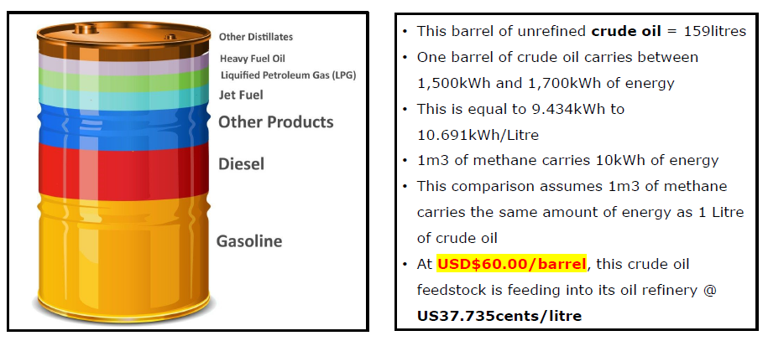
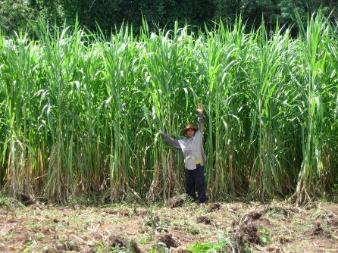

At a yield of | 450 | tonnes/ha, this HTG crude biomass
provides approx. | 25,092.54 | litres of crude oil equivalent/ha.

At a cost of | $4,500.00 | /ha, paid directly to local Tongan
farmers, this Tongan grown crude biomass, that is feeding
into the Tongan biogas plant based biorefinery,
costs approx. | 17.93 | US cents/litre cude oil equivalent.

Equivalent to | $28.51 | /barrel of crude oil.

Just like the oil refinery, the Tongan biogas based biorefinery will
produce multiple products. However, unlike the products from the
oil refinery, the biogas and digestate based prodcuts are 100%
local, 100% renewable, and fully sustainable.

This is why the Tongan economy should be methanised.

Crude oil comparison2
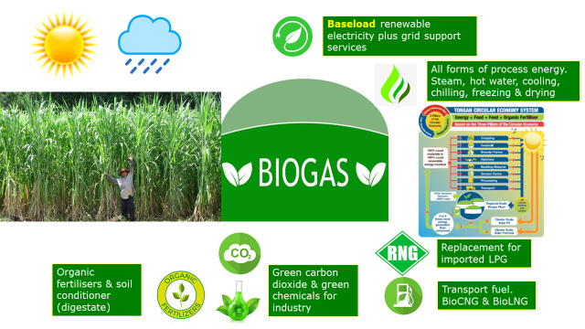

Locally grown biomass
feeding into a local
biorefinery, that Tonga
has total control over
at USD$ | 28.514450909 | /Barrel
of crude oil equivalent

Crude oil comparison3
Brent Crude Oil Monthly Historical Data
1979M01 | 18.950000763 | 10 | 28.51
1979M02 | 22 | 10 | 28.51
1979M03 | 23.25 | 10 | 28.51
1979M04 | 23.649999619 | 10 | 28.51
1979M05 | 32.75 | 10 | 28.51
1979M06 | 36.5 | 10 | 28.51
1979M07 | 35 | 10 | 28.51
1979M08 | 35.75 | 10 | 28.51
1979M09 | 36.5 | 10 | 28.51
1979M10 | 38.5 | 10 | 28.51
1979M11 | 42 | 10 | 28.51
1979M12 | 40.5 | 10 | 28.51
1980M01 | 40 | 10 | 28.51
1980M02 | 38.5 | 10 | 28.51
1980M03 | 38.25 | 10 | 28.51
1980M04 | 38.150001526 | 10 | 28.51
1980M05 | 38.5 | 10 | 28.51
1980M06 | 38 | 10 | 28.51
1980M07 | 37.400001526 | 10 | 28.51
1980M08 | 33.599998474 | 10 | 28.51
1980M09 | 33.400001526 | 10 | 28.51
1980M10 | 37.900001526 | 10 | 28.51
1980M11 | 40.849998474 | 10 | 28.51
1980M12 | 40.150001526 | 10 | 28.51
1981M01 | 40.299999237 | 10 | 28.51
1981M02 | 38.700000763 | 10 | 28.51
1981M03 | 38.349998474 | 10 | 28.51
1981M04 | 37.189998627 | 10 | 28.51
1981M05 | 35.189998627 | 10 | 28.51
1981M06 | 33.25 | 10 | 28.51
1981M07 | 35.060001373 | 10 | 28.51
1981M08 | 35.799999237 | 10 | 28.51
1981M09 | 35.909999847 | 10 | 28.51
1981M10 | 36.540000916 | 10 | 28.51
1981M11 | 37.119998932 | 10 | 28.51
1981M12 | 36.700000763 | 10 | 28.51
1982M01 | 35.849998474 | 10 | 28.51
1982M02 | 31.620000839 | 10 | 28.51
1982M03 | 29.299999237 | 10 | 28.51
1982M04 | 33.119998932 | 10 | 28.51
1982M05 | 35.180000305 | 10 | 28.51
1982M06 | 34.599998474 | 10 | 28.51
1982M07 | 33.700000763 | 10 | 28.51
1982M08 | 32.849998474 | 10 | 28.51
1982M09 | 34.25 | 10 | 28.51
1982M10 | 35 | 10 | 28.51
1982M11 | 33.799999237 | 10 | 28.51
1982M12 | 31.75 | 10 | 28.51
1983M01 | 30.850000381 | 10 | 28.51
1983M02 | 29.100000381 | 10 | 28.51
...

2017 & 2030 Energy flows
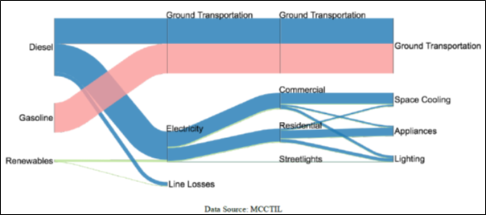
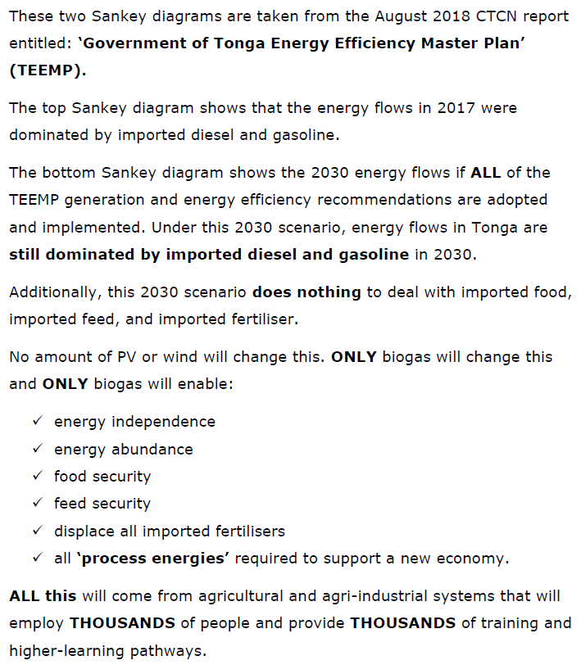
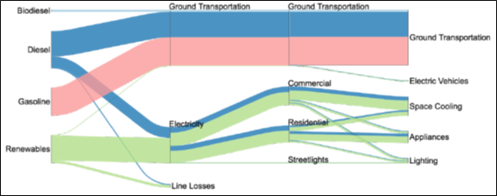
2017 and 2030 Energy Flows

HTG silage strategic reserve
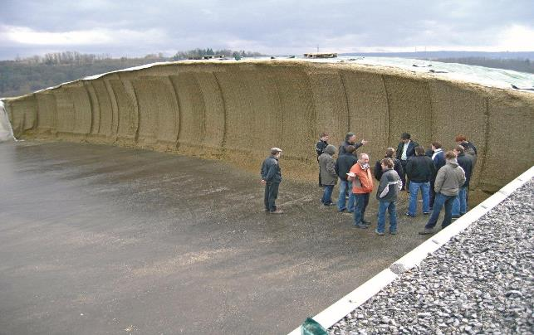
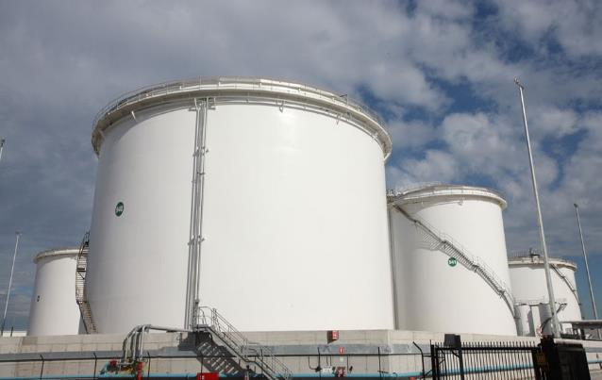
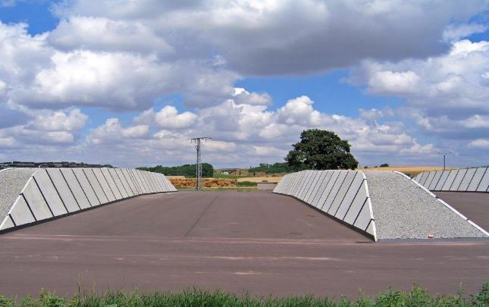
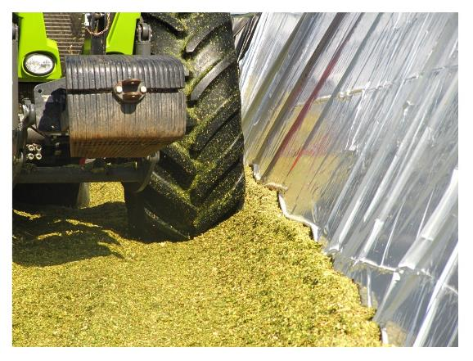

105.596 | x | 30 | days | ÷ | 0.37 | = | 8,561.867 | m3

days
30
40
50
60
70
80
90
100
110
120

Model inputs
Fresh Matter tonnes/ha/yr | Amount paid/tonne of substrates | Gross income/ha/yr | Percentage Dry Matter | Dry Matter tonnes/ha/yr | Cost of substrates on dry matter basis | Volatile Solids % | Volatile Solids tonnes/ha/yr | Cost of substrates on a volatile solids basis | Harvesting & Silage Loses in tonnes/ha | Volatile Solids after loses tonnes/ha/yr | Cost of volatile solids/tonne after loses | CH4 yield/tonne Volatile solids in m3 | CH4 yield/ha/yr in m3 | Cost of substrates expressed in cents/m3 of CH4 | Energy as CH4 in kWh/ha/yr | Cost of substrates expressed in cents/kWh of CH4 | CO2 Yields in kg/ha
450 | $10.00 | $4,500.00 | 23% | 103.50 | $43.48 | 88% | 91.08 | $49.41 | 4.55 | 86.53 | $52.01 | 290.00 | 25,093 | $17.93 | 250,925 | 1.79 | 35,638.98
Electricity/tonne Fresh Matter in kWh
250,925.40 | ÷ | 450 | x | 42% | = | 234.20 | kWh/tonne
Thermal Energy/tonne Fresh Matter in kWh
250,925.40 | ÷ | 450 | x | 45% | = | 250.93 | kWh/tonne
Total Electrical and Thermal Energy/tonne Fresh Matter
234.20 | + | 250.93 | = | 485.12
Biomethane/tonne of Fresh Matter
25,092.54 | ÷ | 450 | = | 55.76 | m3/tonne
Green Carbon Dioxide/tonne Fresh Matter:
35,638.98 | ÷ | 450 | = | 79.20 | kg/tonne
Combined heat and power system outputs
Electrical generation capacity 3MWe (3000kWe)
3000 | x | 8760 | x | 95% | = | 24,966,000 | kWhe/year
Thermal generation capacity 3.15MWth
3150 | x | 8760 | x | 95% | = | 26,214,300 | kWhth/year
Total energy available from CHP's
24,966,000 |  | + | 26,214,300 |  | = | 51,180,300 | kWh/year total
Net electrical and themal energy/year
Net electricity/year
24,966,000 | x | 6% | = | 1,497,960.00 | kWhe
24,966,000 | - | 1,497,960 | = | 23,468,040.00 | kWhe
Net thermal/year
26,214,300 | x | 30% | = | 7,864,290.00 | kWhth
26,214,300 | - | 7,864,290 | = | 18,350,010.00 | kWhth
Biomethane to replace 2,500 tonnes/year LPG (refer to LPG input box included in this page) |  |  |  |  |  |  |  |  |  |  | LPG Replacement Assumption (Combined Utilities Business Plan 2018 - 2022)
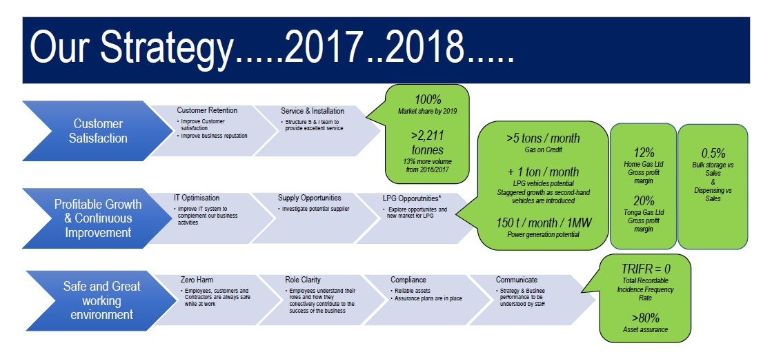
34,000,000 | ÷ | 10 | = | 3,400,000 | m3 of CH4
Size of combined biogas plant in kWe
93,442,857 | kWh methane/yr |  | x | 42% | = | 4,480 | kWe
Alternate CAPEX calculation for comparison purposes
4,480 | x | $3,300.00 | = | $14,784,452.05
Green Carbon Dioxide annual yield
79.20 | x | 167,577 | = | 13,271,707 | kg/year
Substrate inputs
Fresh matter in tonnes/year in support of CHP's
24,966,000 | kWh/yr | ÷ | 234.20 | = | 106,602.54 | tonnes/year
Fresh matter in tonnes/year in support of biomethane
3,400,000 | m3 CH4 | ÷ | 55.76 | = | 60,974.30 | tonnes/year
Fresh matter total inputs in tonnes/year
106,603 | + | 60,974 | = | 167,577 | tonnes/year
Tonnes/day Fresh Matter
167,577 | ÷ | 365 | = | 459.11 | tonnes/day |  |  |  |  |  | Assumed amount of LPG to be replaced = |  |  | 2,500 tonnes/year (2,500,000kg)
Tonnes/day Dry Matter |  |  |  |  |  |  |  |  |  |  | 1 kg LPG = |  |  | 13.6kWh
459.11 | x | 23% | = | 105.60 | tonnes/day |  |  |  |  |  | 2,500,000kg = |  |  | 34,000,000kWh
Hectares of HTG required |  |  |  |  |  |  |  |  |  |  | TOP $3.73 = |  |  | $USD1.60
167,576.84 | ÷ | 450 | = | 372.39 |  |  |  |  |  |  | Calculation: $USD$1.60/kg ÷ 13.6kWh/kg = |  |  | 11.764USA cents/kWh
Annual cost of substrates |  |  |  |  |  |  |  |  |  |  | Target wholesale price for replacement biomethane = 9cents/ kWh
167,577 | x | $10.00 | = | $1,675,768.40

 |  |  |  |  |  |  |  | net electricity | net themal
fresh matter/tonnes | Elect & therm yeild fresh matter |  | CHP availability | Alternate CAPEX calculation | CHP elec/therm gen |  |  | 2% | 10%
0 | 40% |  | 85% | $0.00 | 2500 |  |  | 3% | 11%
10,000,000 | 41% |  | 86% | $3,000.00 | 2550 |  |  | 4% | 12%
11,000,000 | 42% |  | 87% | $3,100.00 | 2600 |  |  | 5% | 13%
12,000,000 | 43% |  | 88% | $3,200.00 | 2650 |  |  | 6% | 14%
13,000,000 | 44% |  | 89% | $3,300.00 | 2700 |  |  | 7% | 15%
14,000,000 | 45% |  | 90% | $3,400.00 | 2750 |  |  | 8% | 16%
15,000,000 | 46% |  | 91% | $3,500.00 | 2800 |  |  | 9% | 17%
16,000,000 | 47% |  | 92% | $3,600.00 | 2850 |  |  | 10% | 18%
17,000,000 | 48% |  | 93% | $3,700.00 | 2900 |  |  |  | 19%
18,000,000 | 49% |  | 94% | $3,800.00 | 2950 |  |  |  | 20%
19,000,000 | 50% |  | 95% | $3,900.00 | 3000 |  |  |  | 21%
20,000,000 |  |  | 96% | $4,000.00 | 3050 |  |  |  | 22%
21,000,000 |  |  | 97% |  | 3100 |  |  |  | 23%
22,000,000 |  |  | 98% |  | 3150 |  |  |  | 24%
23,000,000 |  |  |  |  | 3200 |  |  |  | 25%
24,000,000 |  |  |  |  | 3250 |  |  |  | 26%
25,000,000 |  |  |  |  | 3300 |  |  |  | 27%
26,000,000 |  |  |  |  | 3350 |  |  |  | 28%
27,000,000 |  |  |  |  | 3400 |  |  |  | 29%
28,000,000 |  |  |  |  | 3450 |  |  |  | 30%
29,000,000 |  |  |  |  | 3500 |  |  |  | 31%
30,000,000 |  |  |  |  | 3550 |  |  |  | 32%
31,000,000 |  |  |  |  | 3600 |  |  |  | 33%
32,000,000 |  |  |  |  | 3650 |  |  |  | 34%
33,000,000 |  |  |  |  | 3700 |  |  |  | 35%
34,000,000 |  |  |  |  | 3750 |  |  |  | 36%
35,000,000 |  |  |  |  | 3800 |  |  |  | 37%
36,000,000 |  |  |  |  | 3850 |  |  |  | 38%
37,000,000 |  |  |  |  | 3900 |  |  |  | 39%
38,000,000 |  |  |  |  | 3950 |  |  |  | 40%
39,000,000 |  |  |  |  | 4000 |  |  |  | 41%
40,000,000 |  |  |  |  | 4050 |  |  |  | 42%
 |  |  |  |  | 4100 |  |  |  | 43%
 |  |  |  |  | 4150 |  |  |  | 44%
 |  |  |  |  | 4200 |  |  |  | 45%
 |  |  |  |  | 4250 |  |  |  | 46%
 |  |  |  |  | 4300 |  |  |  | 47%
 |  |  |  |  | 4350 |  |  |  | 48%
 |  |  |  |  | 4400 |  |  |  | 49%
 |  |  |  |  | 4450 |  |  |  | 50%
 |  |  |  |  | 4500
 |  |  |  |  | 4550
 |  |  |  |  | 4600
 |  |  |  |  | 4650
 |  |  |  |  | 4700
 |  |  |  |  | 4750
 |  |  |  |  | 4800
 |  |  |  |  | 4850
 |  |  |  |  | 4900
 |  |  |  |  | 4950
 |  |  |  |  | 5000
 |  |  |  |  | 5050
 |  |  |  |  | 5100
 |  |  |  |  | 5150
 |  |  |  |  | 5200
 |  |  |  |  | 5250
 |  |  |  |  | 5300
 |  |  |  |  | 5350
 |  |  |  |  | 5400
 |  |  |  |  | 5450
 |  |  |  |  | 5500
 |  |  |  |  | 5550
 |  |  |  |  | 5600
 |  |  |  |  | 5650
 |  |  |  |  | 5700
 |  |  |  |  | 5750
 |  |  |  |  | 5800
 |  |  |  |  | 5850
 |  |  |  |  | 5900
 |  |  |  |  | 5950
 |  |  |  |  | 6000
 |  |  |  |  | 6050
 |  |  |  |  | 6100
 |  |  |  |  | 6150
 |  |  |  |  | 6200
 |  |  |  |  | 6250
 |  |  |  |  | 6300
 |  |  |  |  | 6350
 |  |  |  |  | 6400
 |  |  |  |  | 6450
 |  |  |  |  | 6500
 |  |  |  |  | 6550
 |  |  |  |  | 6600
 |  |  |  |  | 6650
 |  |  |  |  | 6700
 |  |  |  |  | 6750
 |  |  |  |  | 6800
 |  |  |  |  | 6850
 |  |  |  |  | 6900
 |  |  |  |  | 6950
 |  |  |  |  | 7000
 |  |  |  |  | 7050
 |  |  |  |  | 7100
 |  |  |  |  | 7150
 |  |  |  |  | 7200
 |  |  |  |  | 7250
 |  |  |  |  | 7300
 |  |  |  |  | 7350
 |  |  |  |  | 7400
 |  |  |  |  | 7450
 |  |  |  |  | 7500
 |  |  |  |  | 7550
 |  |  |  |  | 7600
 |  |  |  |  | 7650
 |  |  |  |  | 7700
 |  |  |  |  | 7750
 |  |  |  |  | 7800
 |  |  |  |  | 7850
 |  |  |  |  | 7900
 |  |  |  |  | 7950
 |  |  |  |  | 8000
 |  |  |  |  | 8050
 |  |  |  |  | 8100
 |  |  |  |  | 8150
 |  |  |  |  | 8200
 |  |  |  |  | 8250
 |  |  |  |  | 8300
 |  |  |  |  | 8350
 |  |  |  |  | 8400
 |  |  |  |  | 8450
 |  |  |  |  | 8500
 |  |  |  |  | 8550
 |  |  |  |  | 8600
 |  |  |  |  | 8650
 |  |  |  |  | 8700
 |  |  |  |  | 8750
 |  |  |  |  | 8800
 |  |  |  |  | 8850
 |  |  |  |  | 8900
 |  |  |  |  | 8950
 |  |  |  |  | 9000
 |  |  |  |  | 9050
 |  |  |  |  | 9100
 |  |  |  |  | 9150
 |  |  |  |  | 9200
 |  |  |  |  | 9250
 |  |  |  |  | 9300
 |  |  |  |  | 9350
 |  |  |  |  | 9400
 |  |  |  |  | 9450
 |  |  |  |  | 9500
 |  |  |  |  | 9550
 |  |  |  |  | 9600
 |  |  |  |  | 9650
 |  |  |  |  | 9700
 |  |  |  |  | 9750
 |  |  |  |  | 9800
 |  |  |  |  | 9850
 |  |  |  |  | 9900
 |  |  |  |  | 9950
 |  |  |  |  | 10000

Tonnes and Hectares of HTG


Percentage of fallow land used for HTG

Fallow land on Tongatapu in hectares | 7,758
Hectares required for HTG | 372
% of fallow land used for HTG | 4.80%

CAPEX Perspectives
