Cover
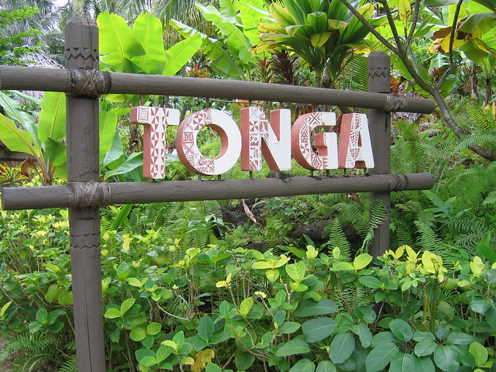
Model developed by:
Ken Davey, Sanita Naiovi & Moses Chandra (Excel Master and lecturer: University of the South Pacific) with the assistance of BSW Energy Malaysia

500kWe biogas plant for Tonga

Tonnes and Hectares of HTG
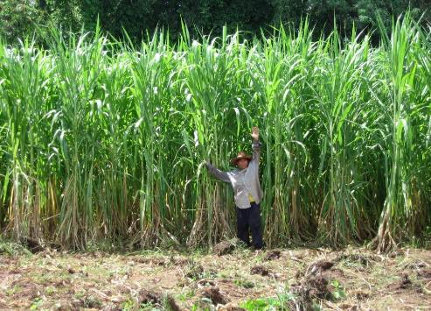

% of fallow land used on Tongatapu

m3 of methane/tonne of HTG |  | 72.44
kWh of methane/tonne of HTG |  | 724.428
Yield of HTG in tonnes/ha |  | 450
Cost paid to farmers for HTG in USD/tonne |  | $20.00
Gross return to farmers in USD/hectare |  | $9,000.00
Potential renewable methane yields/hectare/year in m3 |  | 32,599
Potential renewable methane yields/hectare/year in kWh |  | 325,992.600
Substrate cost expressed as UScents/m3 of methane |  | 27.608
Substrate cost expressed as UScents/kWh of methane |  | 2.7608
Renewable CO2 yields/hectare in kgs
Fallow land on Tongatapu in hectares |  | 7,758
Hectares of HTG |  | 28
% of fallow land used for HTG |  | 0.36%

HTG/ha | price paid/ton HTG
300 | $0.00
310 | $5.00
320 | $5.50
330 | $6.00
340 | $6.50
350 | $7.00
360 | $7.50
370 | $8.00
380 | $8.50
390 | $9.00
400 | $9.50
410 | $10.00
420 | $10.50
430 | $11.00
440 | $11.50
450 | $12.00
460 | $12.50
470 | $13.00
480 | $13.50
490 | $14.00
500 | $14.50
510 | $15.00
520 | $15.50
530 | $16.00
540 | $16.50
550 | $17.00
560 | $17.50
570 | $18.00
580 | $18.50
590 | $19.00
600 | $19.50
 | $20.00

2017 & 2030 Energy flows
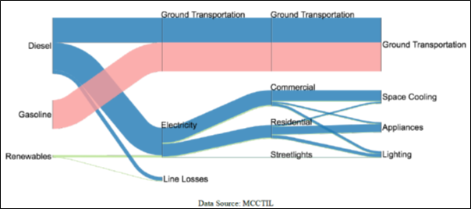
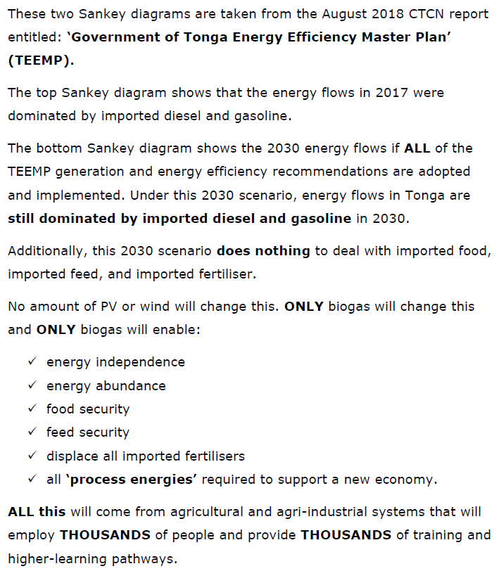
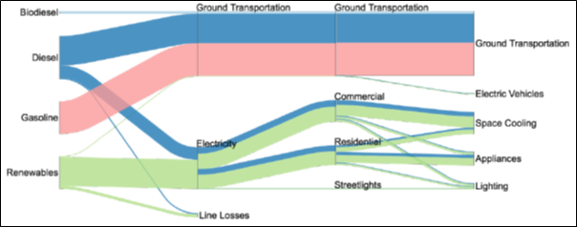
2017 and 2030 Energy Flows

HTG silage strategic reserve
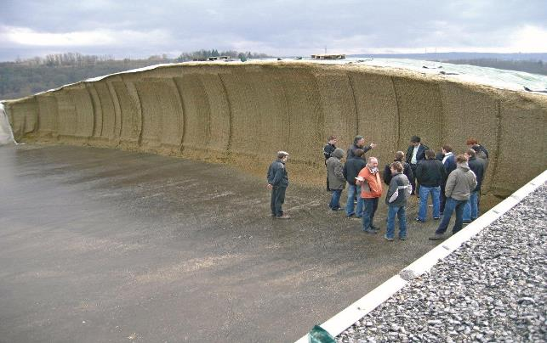
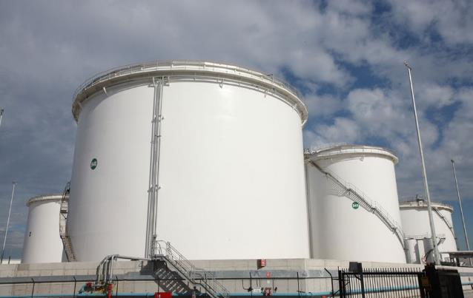
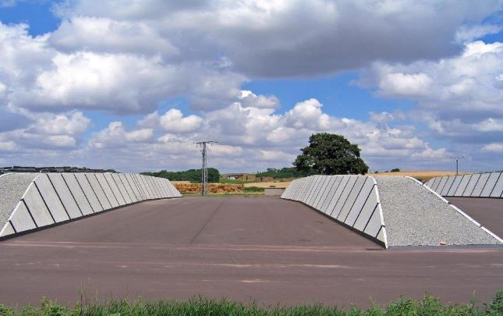
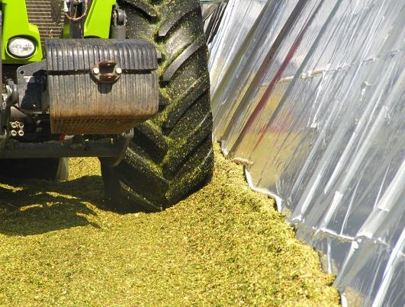

8.500 | x | 60 | days | ÷ | 0.37 | = | 1,378.378 | m3

days
30
40
50
60
70
80
90
100
110
120

CAPEX Perspectives
